POINTS DESCRIPTION - Power Supp
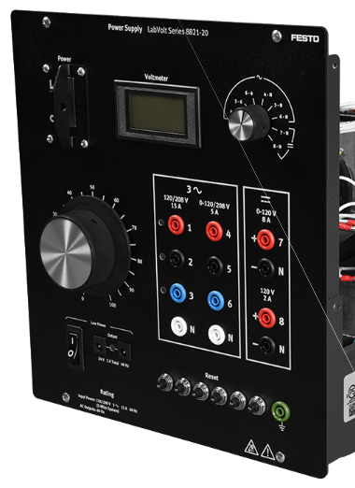
LabVolt Power Supply, 8821 |  | POINT TYPE
 |  | Hardware Point |  |  |  |  | Virtual Point
Point Description | Origin Address | DO | DI | AO | AI | Pwr |  | Destination Address | Destination Description | Notes
AC variable 120/208 V Phase A | 4 | 0 | 0 | 0 | 0 | 1 | 0 | 1 | Induction Motor, 8221, Phase A Terminal Left
AC variable 120/208 V Phase B | 5 | 0 | 0 | 0 | 0 | 1 | 0 | 2 | Induction Motor, 8221, Phase B Terminal Left
AC variable 120/208 V Phase C | 6 | 0 | 0 | 0 | 0 | 1 | 0 | 3 | Induction Motor, 8221, Phase C Terminal Left
AC variable 120/208 V Neutral | N | 0 | 0 | 0 | 0 | 1 | 0 | 4 | Induction Motor, 8221, Phase A Terminal Right
AC fixed 120/208 V Phase A | 1 | 0 | 0 | 0 | 0 | 1 | 0 | Power Input | Dynamometer, 8960, 120V, 6A, 60Hz Power Input | Three-prong plug to banana jack cord
AC fixed 120/208 V Neutral | N | 0 | 0 | 0 | 0 | 1 | 0
Ground | Ground symbol | 0 | 0 | 0 | 0 | 1 | 0
 | Total Points | 0 | 0 | 0 | 0 | 7 | 0

POINTS DESCRIPTION - Squirrel-C
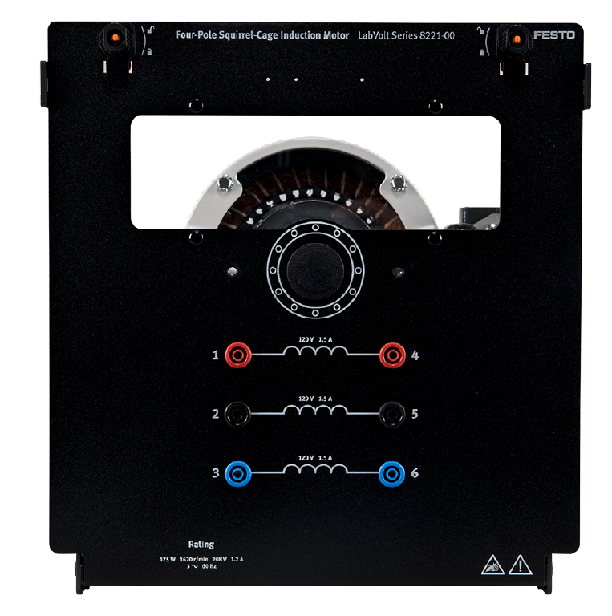
Squirrel Cage Induction Motor, 8221 |  | POINT TYPE
 |  | Hardware Point |  |  |  |  | Mech Point | Virtual Point
Point Description | Origin Address | DO | DI | AO | AI | Pwr |  |  | Destination Address | Destination Description | Notes
Phase A Terminal Left | 1 | 0 | 0 | 0 | 0 | 1 | 0 | 0 | 4 | Power Supply, 8821, AC variable 120/208 V Phase A | Y-configeration
Phase B Terminal Left | 2 | 0 | 0 | 0 | 0 | 1 | 0 | 0 | 5 | Power Supply, 8821, AC variable 120/208 V Phase B | Y-configeration
Phase C Terminal Left | 3 | 0 | 0 | 0 | 0 | 1 | 0 | 0 | 6 | Power Supply, 8821, AC variable 120/208 V Phase C | Y-configeration
Phase A Terminal Right | 4 | 0 | 0 | 0 | 0 | 1 | 0 | 0 | N | Power Supply, 8821, AC variable 120/208 V Neutral | Y-configeration
Phase B Terminal Right | 5 | 0 | 0 | 0 | 0 | 1 | 0 | 0 | 4 | Squirrel Cage Induction Motor, Phase A Terminal Bottom | Y-configeration
Phase C Terminal Right | 6 | 0 | 0 | 0 | 0 | 1 | 0 | 0 | 5 | Squirrel Cage Induction Motor, Phase B Terminal Bottom | Y-configeration
Squirrel Cage shaft | N/A | 0 | 0 | 0 | 0 | 0 | Belt | 0 | N/A | Dynomometer 8960 Shaft
 | Total Points | 0 | 0 | 0 | 0 | 6 | 1 | 0

POINTS DESCRIPTION - Dynamomete
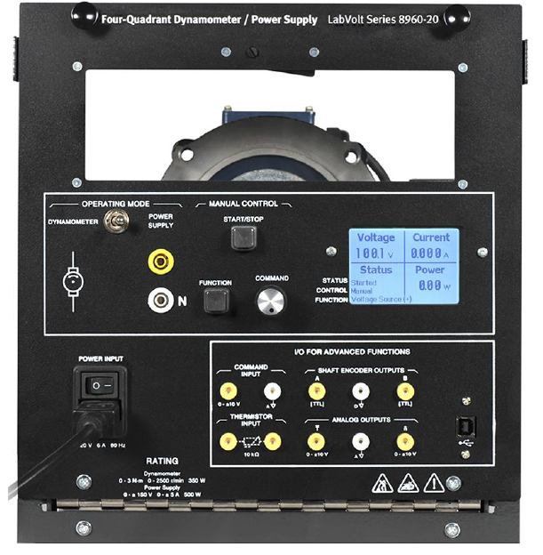
LabVolt Four-Quadrant Dynamometer/Power Supply, 8960 |  | POINT TYPE
 |  | Hardware Point |  |  |  |  | Mech Point | Virtual Point
Point Description | Origin Address | DO | DI | AO | AI | Pwr |  |  | Destination Address | Destination Description | Notes
Dynomometer 8960 Shaft | N/A | 0 | 0 | 0 | 0 | 1 | 0 | 0 | N/A | Squirrel Cage Induction Motor, 8221, shaft
120V, 6A, 60Hz Power Input | Power Input | 0 | 0 | 0 | 0 | 1 | 0 | 0 | 1 | AC fixed 120/208 V Phase A | Three-prong plug to banana jack cord
 |  | 0 | 0 | 0 | 0 | 1 | 0 | 0 | N | AC fixed 120/208 V Neutral
 |  | 0 | 0 | 0 | 0 | 1 | 0 | 0 | Ground symbol | Ground
USB Port | USB | 1 | 1 | 0 | 0 | 0 | 0 | 0 | USB | PC USB Port
 | Total Points | 1 | 1 | 0 | 0 | 1 | 1 | 0

